Blad1
 | Brand | EAN | DESCRIPTION | QTY | RETAIL | PRICE
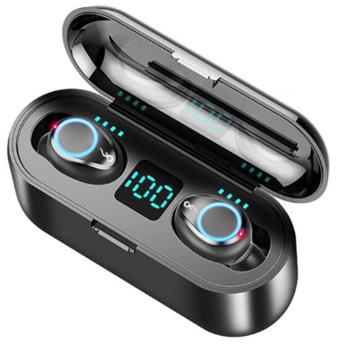 | FT9 | 5903678822477 | True Wireless Earbuds 2000mAhPower Bank Bluetooth Version 5.0 | 850 | € 29.95 | € 8.00
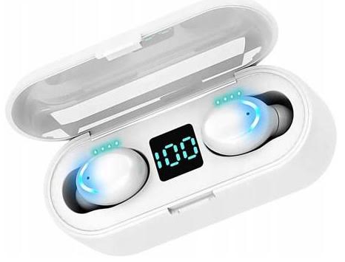 | FT9 | 5903678822484 | True Wireless Earbuds 2000mAhPower Bank Bluetooth Version 5.0 | 780 | € 29.95 | € 8.00 | 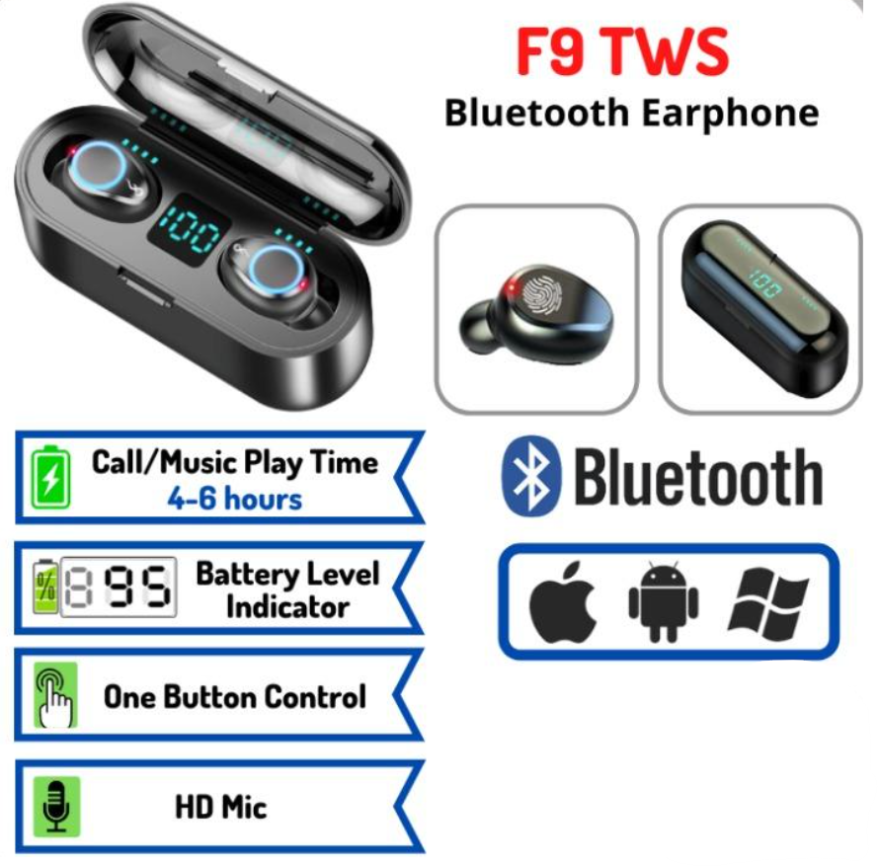
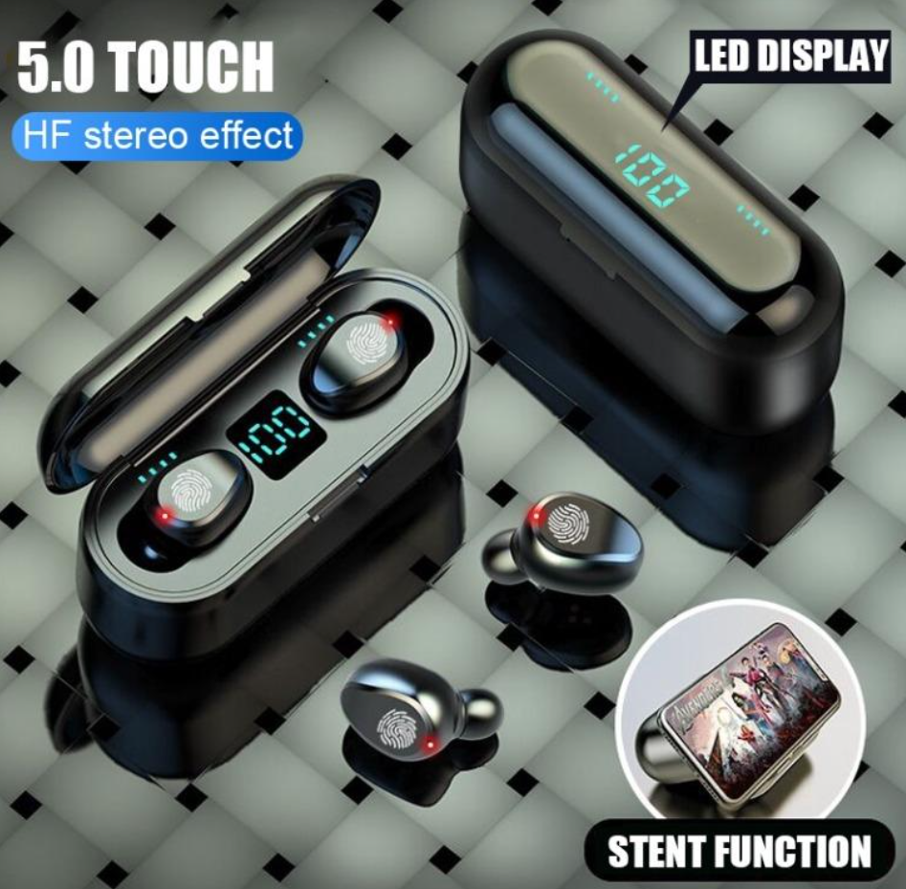
 |  |  |  | 1,630

